Staten Island
Logit Staten Island | Predicted:0 | Predicted: 1 | Performance |  |  | Precision | Recall
Actual: 0 | 370 | 5,242 |  |  | "0": Purple | 53% | 7%
Actual: 1 | 329 | 17,302 |  |  | "1": Red | 77% | 98%
Accuracy |  |  | 75.9%
10-fold CV accuracy |  |  | 76.0%
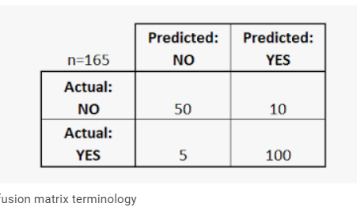
k-NN Staten Island | Predicted:0 | Predicted: 1 | Performance |  |  | Precision | Recall
Actual: 0 | 370 | 5,242 |  |  | "0": Purple | 53% | 7%
Actual: 1 | 329 | 17,302 |  |  | "1": Red | 77% | 98%
Accuracy |  |  | 75.9%
10-fold CV accuracy |  |  | 76.0%

LDA
LDA Staten Island | Predicted:0 | Predicted: 1 | Performance |  | Precision | Recall
Actual: 0 | 111 | 5,510 |  | "0": Purple | 66% | 2%
Actual: 1 | 57 | 17,565 |  | "1": Red | 76% | 100%
Accuracy |  |  | 76.0%
10-fold CV accuracy |  |  | 75.9%

Brooklyn
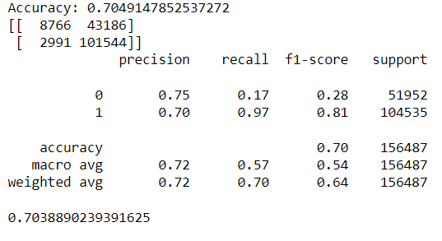
Logit Brooklyn | Predicted:0 | Predicted: 1 | Performance |  | Precision | Recall
Actual: 0 | 19,915 | 32,037 |  | "0": Purple | 67% | 38%
Actual: 1 | 10,003 | 94,532 |  | "1": Red | 75% | 90%
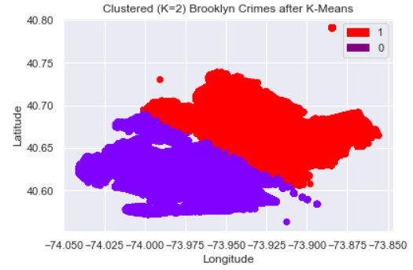
Accuracy |  |  | 73.1%
10-fold CV accuracy |  |  | 73.1%

LDA Brooklyn | Predicted:0 | Predicted: 1 | Performance |  | Precision | Recall
Actual: 0 | 8,766 | 43,186 |  | "0": Purple | 75% | 17%
Actual: 1 | 2,991 | 101,544 |  | "1": Red | 70% | 97%
Accuracy |  |  | 70.5%
10-fold CV accuracy |  |  | 70.4%

k-NN Brooklyn | Predicted:0 | Predicted: 1 | Performance |  | Precision | Recall
Actual: 0 | 15,448 | 36,504 |  | "0": Purple | 69% | 30%
Actual: 1 | 6,820 | 97,715 |  | "1": Red | 73% | 93%
Accuracy |  |  | 72.3%
10-fold CV accuracy |  |  | 72.4%

